REV 3 Manta C_d
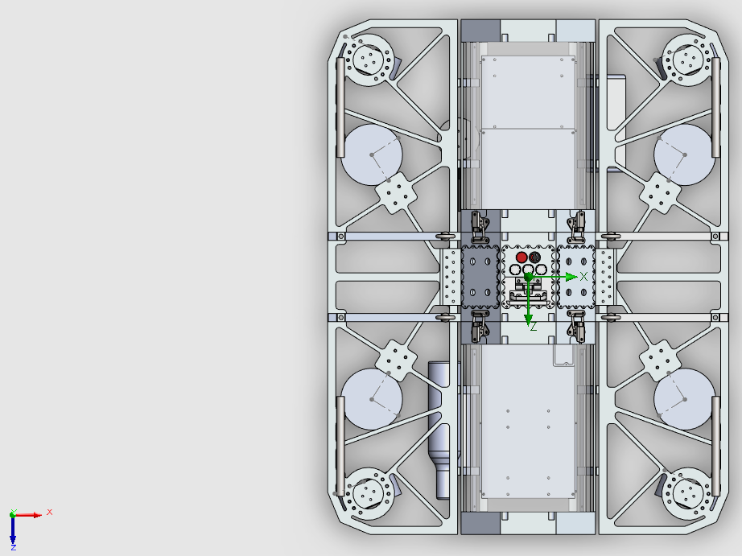

 | Direction (Translational Degree of Freedom)
 | Surge (T1) | Sway (T2) | Heave (T3)
Drag Coefficient, C_d (unitless) | 0.756 | 0.5246 | 0.40996
Cross sectional area, A (m^2) | 0.09268 | 0.24397 | 0.33081

Drag Info, Eq of Motion
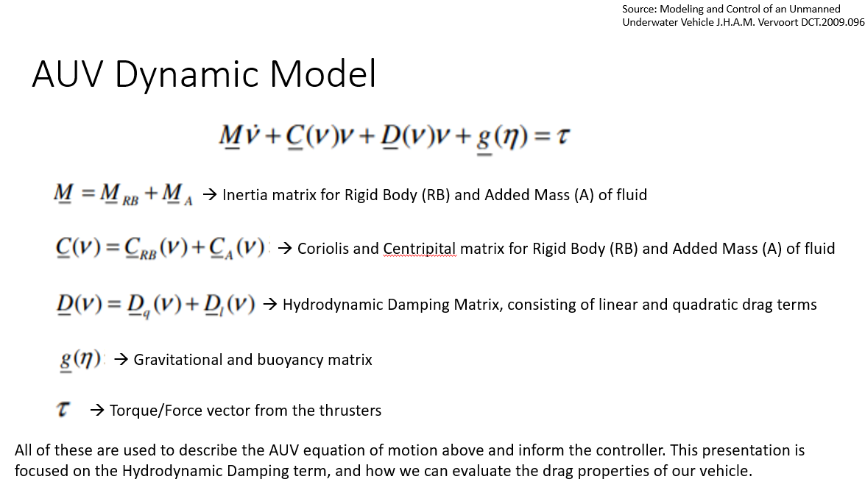
 | What is shown on the left:

*on the left, this is the equation of motion for the sub
*the boxed term represents the forces acting on the sub due to drag (F_D)
*drag force along the direction of travel can be calculated from the using c_d info and the following equation:
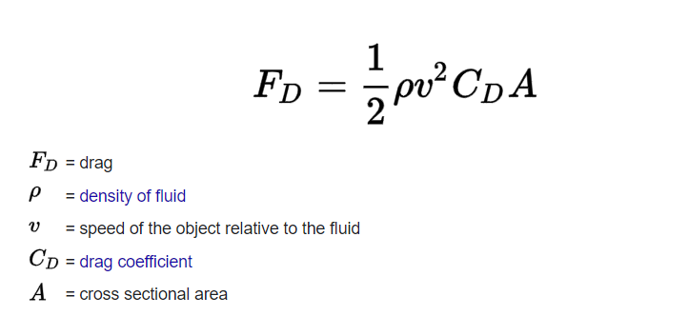

 | density (for water) is typically = 997 kg/m^3
 | v is the speed the sub is moving, which sensors will tell us
 | C_d and A are given in the first tab for each direction the sub can travel in

* the above is broken down for 1 direction of travel at a time (assumes uncoupled travel for translational DOFs),
whereas on the left the eq of motion is defined in terms of matricies for all 6 degrees of freedom
* A simple simulation would probably involve assuming that the sub only moves in 1 direction at a time
(i.e. forward, sideways, or up), and would calculate drag force in order to solve for the boxed term on the left.

